Instructions
SIEF Mega Costing Model for Nudge or Information Interventions Using SMS or Recorded Messages

Developed by the Strategic Impact Evaluation Fund (SIEF) team, the World Bank
Version 1.1
2020-09-25

Instructions

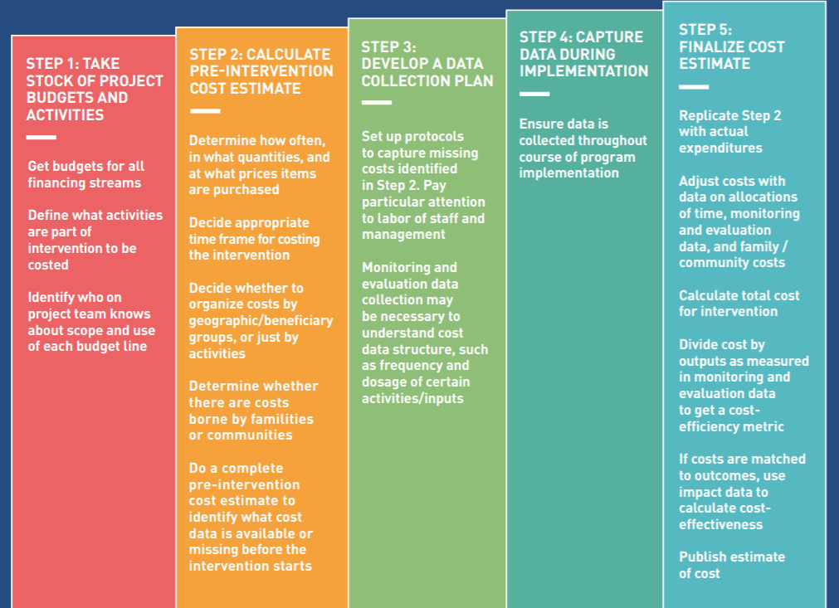
1. Purpose
Following the five-step procedure of cost data capturing proposed by SIEF (see the figure below), this template provides detailed guidance on how to develop a cost model, record the cost data, and calculate the total cost, average cost and cost-effectiveness ratio for nudge or information interventions funded by the SIEF COVID-19 window. Since all of these funded interventions are designed to be implemented for less than one year, we did not set up the functions to adjust for inflation or calculate the present value. All cells are unlocked, so you may customize the template based on your needs. For any technical issues, please contact Yilin Pan (ypan@worldbank.org).

2. Before you start
1) Take stock of project budgets for all financing streams. Budgets are an important yet insufficient source of information for cost estimation. A budget is similar to a monthly shopping list. It might include clothes, food, and any items that are needed for daily life. However, a cost model is more similar to a recipe for a specific dish and includes more than what would be on a shopping list, like cooking time and temperature, quantities of ingredients for specific dishes, or the number of people the recipe is meant to serve. Similarly, costing an intervention is not an accounting exercise for an organization or funding stream. Rather it is a detailed (disaggregated) listing and valuing of all resources and efforts required to make a specific thing - the intervention - happen.
2) Identify what activities constitute the incremental cost of the intervention that needs to be cost out. If the intervention is an add-on to business-as-usual that the control group receives, you will only need to cost out the intervention itself. Take a nudge intervention for a remote learning platform as an example. The nudge intervention is an add-on to the remote learning platform to which children in both the treatment group and the control group will have access. Therefore, there is no need to collect cost data on the development and the maintenance of the remote learning platform. The main efforts of data collection should be put on specifying the resources that are required to implement the nudge intervention. If the intervention is a replacement of business-as-usual that the control group receives, you will need to cost out the services received by both the treatment group and the control group in order to calculate the incremental cost of the treatment. In some cases, it would be difficult to leave the children in the control group unattended due to ethical concerns; hence, instead of the intervention of interest, the control group would receive some supplementary services. In this situation, you will need to track the resources utilized by both the treatment group and the control group. Note that only the resources required to implement the intervention should be accounted for. Resources that contribute to the evaluation of the intervention are not considered as the cost of the intervention.

3) Identify who on project team knows about scope and use of each budget line. Since the budgets from all financing streams only provide a rough picture on the planning of the implementation, it is essential to identify project team members who know the scope and use of each budget line and schedule interviews with them to understand how the intervention is actually implemented. If possible, we strongly recommend you interview these project members before the intervention starts and right after the intervention ends. The first round of interviews aims to help you get feedback on the ingredient list that you drafted based on the budgets and the program design, create buy-in among the implementation team about the importance of conducting a cost analysis, and familiarize them with the instruments of cost data collection, e.g., how to fill out the timesheet to report their time allocation. The second round of interviews at the endline will help you finalize the ingredient list and fill any information gap left for the cost analysis.
3. Structure of the template
Introduction
Working Sheets
Example
Database

Setup
Example_Setup
CPI

Instructions
Data model
Example_Data model
Official exchange rate

Example_Data entry sheet
Data entry sheet

Results
Example_Results

4. References
For more information on cost data collection, please refer to a policy brief and two blogs developed by SIEF.
 | Capturing cost data
 | Capturing cost data: a first-mile problem
 | How much do our impacts cost?

5. Printing
To print, set the margin to be "narrow" and set the page to be "landscape orientation".

Results
Results
 |  |  |  |  |  |  | Legend

 | Table 1. Summary of total cost and average cost |  |  |  |  |  | Input

 |  | Treatment 1 | Treatment 2 | Treatment 3 | Treatment 4 | Control | Output
 | Total cost | $- | $- | $- | $- | $-
 | Average cost per targeted participant | #DIV/0! | #DIV/0! | #DIV/0! | #DIV/0! | #DIV/0!
 | Average cost per treated participant | #DIV/0! | #DIV/0! | #DIV/0! | #DIV/0! | #DIV/0!

 | Instructions: Average cost per targeted participant = Total cost / # of participants offered treatment Average cost per treated participant = Total cost / # of participants that take up treatment

 | Table 2. Cost-effectiveness ratio of treatment arms in improving [specify the outcome]

 |  | Treatment 1 | Treatment 2 | Treatment 3 | Treatment 4
 | Cost per targeted participant | #DIV/0! | #DIV/0! | #DIV/0! | #DIV/0!
 | Average treatment effect (ITT)
 | Cost-effectiveness ratio | #DIV/0! | #DIV/0! | #DIV/0! | #DIV/0!

 | OR
 |  | Treatment 1 | Treatment 2 | Treatment 3 | Treatment 4
 | Cost per treated participant | #DIV/0! | #DIV/0! | #DIV/0! | #DIV/0!
 | Average treatment effect (ToT)
 | Cost-effectiveness ratio | #DIV/0! | #DIV/0! | #DIV/0! | #DIV/0!

 | Instructions: 1) When the total cost of the control group is non-zero, the incremental cost of each treatment arm is the difference between the cost of the treatment arm and the cost of the control group. 2) Average cost per targeted participant is the ITT cost estimate, which should be paired with the ITT effectiveness estimate when calculating the cost-effectiveness ratio. Average cost per treated participate is the ToT cost estimate, which should be paired with the ToT effectiveness estimate when calculating the cost-effectiveness ratio.

 | Figure 1. The distribution of cost and effectiveness of different treatment arms

 | Instructions: The figure shows the comparison of the treatment arms in effectiveness and cost. The x-axis is the average treatment effect (ITT) and the y-axis is the average cost per targeted participant, which is the difference between the cost of the treatment arm and the cost of the control group. If the average cost is negative, it indicates that the cost of the control group exceeds the cost of the treatment arm.

Example_Results
Hypothetical Example
The results indicate that while treatment 2 is more costly than treatment 1, it is also more effective in improving student achievement. The comparison of the cost-effectiveness ratios shows that treatment 1 is more cost-effectiveness than treatment 2, as it costs less to achieve one unit of outcome than treatment 2. Policymakers may decide which intervention to adopt or scale up based on the comparison of the effectiveness, cost and cost-effectiveness ratio and the resources available.

 | Results
 |  |  |  |  |  | Input

 |  | Table 1. Summary of total cost and average cost |  |  |  | Output

 |  |  | Treatment 1 | Treatment 2 | Control
 |  | Total cost | $2,564.58 | $4,134.21 | 0
 |  | Average cost per targeted participant | $5.13 | $8.27 | 0
 |  | Average cost per treated participant | $5.70 | $8.89 | 0

 |  | Instructions: Average cost per targeted participant = Total cost / # of participants offered treatment Average cost per treated participant = Total cost / # of participants offered treatment

 |  | Table 2. Cost-effectiveness ratio of treatment arms in improving student achievement

 |  |  | Treatment 1 | Treatment 2
 |  | Cost per targeted participant | $5.13 | $8.27
 |  | Average treatment effect (ITT) | 0.2 | 0.25
 |  | Cost-effectiveness ratio | $25.65 | $33.07

 |  | OR
 |  |  | Treatment 1 | Treatment 2
 |  | Cost per treated participant | $5.70 | $8.89
 |  | Average treatment effect (ToT) | 0.25 | 0.29
 |  | Cost-effectiveness ratio | $22.80 | $30.66

 |  | Instructions: 1) When the total cost of the control group is non-zero, the incremental cost of each treatment arm is the difference between the cost of the treatment arm and the cost of the control group. 2) Average cost per targeted participant is the ITT cost estimate, which should be paired with the ITT effectiveness estimate when calculating the cost-effectiveness ratio. Average cost per treated participate is the ToT cost estimate, which should be paired with the ToT effectiveness estimate when calculating the cost-effectiveness ratio.

 |  | Figure 1. The distribution of cost and effectiveness of different treatment arms
 | Treatment 1 |  | Treatment 2
0.2 | 5.1291625461 | 0.25 | 8.2684123965

 |  | Instructions: The figure shows the comparison of the treatment arms in effectiveness and cost. The x-axis is the average treatment effect (ITT) and the y-axis is the average cost per targeted participant, which is the difference between the cost of the treatment arm and the cost of the control group. If the average cost is negative, it indicates that the cost of the control group exceeds the cost of the treatment arm.

