Introduction
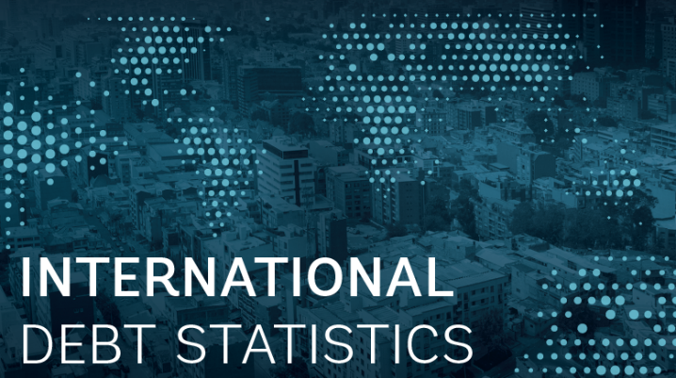
Note:
This file contains two tabs that allow the user to search through all 569 indicators from the International Debt Statistics (IDS) by the name of the indicator or the code. To search by name, type in the search bar key words such as 'bilateral' or 'interest'. To search by code, type in the search bar common codes such as 'DIS' or INT'.
For any questions, please reach us through the Data Help Desk or email us at: ddg_finfiles@worldbank.org.

 | Abbreviations:
 | AMT | Amortization
 | CB | Central Bank
 | COM | Commitments
To access the database, please access the World Bank Databank with the following link: | DIS | Disbursement
International Debt Statistics | DataBank (worldbank.org) | DOD | Debt outstanding and disbursed
 | GG | General Government
For more information, please visit the following website: | INT | Interest payment
International Debt Statistics (IDS) (worldbank.org) | NFL | Net flows
 | NTR | Net transfers
For assistance, please reach us through the Data Help Desk: | OPS | Other public sector
World Bank Data Help Desk | PNG | Private non-guaranteed
 | PPG | Public and publically guaranteed
 | PRVG | Private sector guaranteed by public sector
 | PS | Public sector
 | RDB | Regional development banks
 | SDR | Special Drawing Rights
 | TDS | Total debt service

