4.1
 | Ratio-idiosyncratic to cov
 | 2011 | 2019
Rural | 1.3 | 2.1
Urban | 1.8 | 2.2

4.2
Ownership of account
 | Bottom 40 | Top 60 | Total | China | Malaysia | Philippines | Thailand | Vietnam
2011 | 11% | 25% | 20%
2014 | 22% | 45% | 36%
2017 | 37% | 57% | 49% |  |  |  |  | 31%
2021 | 47% | 55% | 52% | 89% | 88% | 51% | 96%
 | Bottom 40 | Top 60 | Total | China | Malaysia | Philippines | Thailand | Vietnam
2011 | 11% | 25% | 20%
2014 | 22% | 45% | 36%
2017 | 37% | 57% | 49% |  |  |  |  | 0.30795791745
2021 | 47% | 55% | 52% | 0.88709020615 | 0.88374882936 | 0.51371765137 | 0.95576995611

4.3
Lack of money | Family has one | Providers too expensive | Providers too far | Lack of documentation | Lack of trust | Religious reasons
71% | 42% | 40% | 36% | 29% | 11% | 6%

4.4
 | Blank | Source | Somewhat or not difficult | Very difficult | Not possible
Other | 87% | 5%
Sell assets | 81% | 6%
Borrow | 76% | 5%
Savings | 62% | 13%
Work | 44% | 18%
Family | 0 | 44%
Overall |  |  | 56% | 36% | 8%
 | Blank | Source | Somewhat or not difficult | Very difficult | Not possible
Other | 87% | 5%
Sell assets | 81% | 6%
Borrow | 76% | 5%
Savings | 62% | 13%
Work | 44% | 18%
Family | 0% | 44%
Overall |  |  | 0.55705922842 | 0.36238318682 | 0.080557607114

4.5
 | Sick |  | Outpatient |  | Inpatient
 | T60 Sick | B40 Sick | T60 Outpatient care | B40 Outpatient care | T60 Inpatient care | B40 Inpatient care
2014 | 45% | 47% | 50% | 43% | 6% | 4%
2015 | 48% | 51% | 53% | 50% | 8% | 6%
2016 | 48% | 51% | 53% | 50% | 9% | 6%
2017 | 45% | 48% | 43% | 39% | 9% | 6%
2018 | 39% | 43% | 45% | 42% | 9% | 7%
2019 | 41% | 45% | 47% | 43% | 10% | 7%
2020 | 42% | 44% | 43% | 39% | 10% | 7%
2021 | 47% | 48% | 40% | 37% | 7% | 4%
2022 | 43% | 42% | 43% | 38% | 6% | 4%

4.6
Outpatient location |  |  | Inpatient location
 | T60 Outpatient | B40 Outpatient |  | T60 Inpatient | B40 Inpatient
Public hospital | 3% | 2% | Government hospital | 17% | 14%
Private hospital | 4% | 1% | Private hospital | 18% | 11%
Practitioner | 16% | 15% | Practitioner - Midwife | 1% | 2%
Clinic | 7% | 4% | Clinic | 4% | 3%
Puskesmas/Pustu | 17% | 17% | Puskesmas (Primary healthcare) | 4% | 7%
Local (UKBM) | 1% | 1%
Traditional | 1% | 1% | Traditional medication | 0% | 0%
Others | 0% | 0% | Others | 0% | 0%
 | B40 Outpatient | T60 Outpatient | B40 Inpatient | T60 Inpatient
Public hospital | 2% | 3% | 14% | 17%
Private hospital | 1% | 4% | 11% | 18%
Practitioner | 15% | 16% | 2% | 1%
Clinic | 4% | 7% | 3% | 4%
Puskesmas/Pustu | 17% | 17% | 7% | 4%
Local (UKBM) | 1% | 1%
Traditional | 1% | 1% | 0% | 0%
Others | 0% | 0% | 0% | 0%

4.7
 | T60 >= 80% | B40 >= 80% | T60 >= 20% | B40 >= 20%
2015 | 45% | 42% | 57% | 56%
2016 | 50% | 45% | 62% | 60%
2017 | 55% | 47% | 68% | 63%
2018 | 60% | 49% | 73% | 69%
2019 | 62% | 50% | 75% | 70%
2020 | 66% | 53% | 78% | 74%
2021 | 65% | 52% | 77% | 72%
2022 | 67% | 53% | 79% | 73%

4.8
 | Top 60 | Bottom 40
None | 26% | 37%
BPJS-PBI | 43% | 55%
BPJS | 30% | 9%
Private | 1% | 0%
Office | 4% | 1%

4.9
 | Drought | Flood | Landslide | Storm | Wildfire
1990 | 0 | 2 | 0 | 0 | 0
1991 | 0 | 2 | 1 | 0 | 1
1992 | 0 | 1 | 1 | 0 | 0
1993 | 0 | 2 | 0 | 0 | 0
1994 | 0 | 6 | 0 | 0 | 1
1995 | 0 | 5 | 0 | 0 | 0
1996 | 0 | 5 | 1 | 0 | 0
1997 | 1 | 0 | 0 | 0 | 1
1998 | 0 | 1 | 0 | 0 | 1
1999 | 0 | 1 | 2 | 0 | 1
2000 | 0 | 3 | 4 | 0 | 1
2001 | 0 | 4 | 4 | 0 | 0
2002 | 0 | 7 | 1 | 0 | 1
2003 | 1 | 8 | 4 | 0 | 0
2004 | 0 | 1 | 4 | 2 | 0
2005 | 0 | 3 | 2 | 0 | 1
2006 | 0 | 8 | 3 | 0 | 1
2007 | 0 | 8 | 2 | 0 | 0
2008 | 0 | 12 | 1 | 0 | 0
2009 | 0 | 5 | 2 | 0 | 0
2010 | 0 | 7 | 1 | 0 | 0
2011 | 0 | 6 | 2 | 0 | 0
2012 | 0 | 7 | 2 | 2 | 0
2013 | 0 | 10 | 2 | 0 | 0
2014 | 0 | 6 | 2 | 0 | 0
2015 | 1 | 6 | 3 | 0 | 1
2016 | 0 | 10 | 2 | 0 | 0
2017 | 0 | 7 | 2 | 1 | 0
2018 | 0 | 6 | 2 | 0 | 0
2019 | 0 | 11 | 2 | 0 | 1
2020 | 0 | 25 | 1 | 0 | 0
2021 | 0 | 16 | 2 | 1 | 0
Year | Disaster Subgroup | Disaster Type
1990 | Hydrological | Flood
1990 | Hydrological | Flood
1991 | Climatological | Wildfire
1991 | Hydrological | Flood
1991 | Hydrological | Flood
1991 | Hydrological | Landslide
1992 | Hydrological | Landslide
1992 | Hydrological | Flood
1993 | Hydrological | Flood
1993 | Hydrological | Flood
1994 | Hydrological | Flood
1994 | Hydrological | Flood
1994 | Hydrological | Flood
1994 | Climatological | Wildfire
1994 | Hydrological | Flood
1994 | Hydrological | Flood
1994 | Hydrological | Flood
1995 | Hydrological | Flood
1995 | Hydrological | Flood
1995 | Hydrological | Flood
1995 | Hydrological | Flood
1995 | Hydrological | Flood
1996 | Hydrological | Flood
1996 | Hydrological | Flood
1996 | Hydrological | Flood
1996 | Hydrological | Flood
1996 | Hydrological | Landslide
1996 | Hydrological | Flood
1997 | Climatological | Drought
1997 | Climatological | Wildfire
1998 | Climatological | Wildfire
1998 | Hydrological | Flood
1999 | Hydrological | Landslide
1999 | Climatological | Wildfire
1999 | Hydrological | Landslide
1999 | Hydrological | Flood
2000 | Hydrological | Flood
2000 | Hydrological | Flood
2000 | Hydrological | Flood
2000 | Hydrological | Landslide
2000 | Hydrological | Landslide
2000 | Climatological | Wildfire
2000 | Hydrological | Landslide
2000 | Hydrological | Landslide
2001 | Hydrological | Flood
2001 | Hydrological | Flood
2001 | Hydrological | Flood
2001 | Hydrological | Landslide
2001 | Hydrological | Landslide
2001 | Hydrological | Landslide
2001 | Hydrological | Landslide
2001 | Hydrological | Flood
2002 | Hydrological | Flood
2002 | Hydrological | Flood
2002 | Hydrological | Flood
2002 | Hydrological | Flood
2002 | Hydrological | Flood
2002 | Hydrological | Flood
2002 | Hydrological | Flood
2002 | Climatological | Wildfire
2002 | Hydrological | Landslide
2003 | Hydrological | Flood
2003 | Hydrological | Landslide
2003 | Hydrological | Landslide
2003 | Hydrological | Flood
2003 | Hydrological | Flood
2003 | Hydrological | Flood
2003 | Hydrological | Flood
2003 | Hydrological | Flood
2003 | Hydrological | Landslide
2003 | Hydrological | Flood
2003 | Hydrological | Flood
2003 | Hydrological | Landslide
2003 | Climatological | Drought
2004 | Meteorological | Storm
2004 | Hydrological | Landslide
2004 | Hydrological | Landslide
2004 | Hydrological | Flood
2004 | Hydrological | Landslide
2004 | Hydrological | Landslide
2004 | Meteorological | Storm
2005 | Hydrological | Landslide
2005 | Hydrological | Flood
2005 | Hydrological | Flood
2005 | Hydrological | Flood
2005 | Hydrological | Landslide
2005 | Climatological | Wildfire
2006 | Hydrological | Flood
2006 | Hydrological | Flood
2006 | Hydrological | Flood
2006 | Hydrological | Flood
2006 | Hydrological | Flood
2006 | Hydrological | Flood
2006 | Hydrological | Flood
2006 | Hydrological | Flood
2006 | Hydrological | Landslide
2006 | Hydrological | Landslide
2006 | Hydrological | Landslide
2006 | Climatological | Wildfire
2007 | Hydrological | Landslide
2007 | Hydrological | Flood
2007 | Hydrological | Landslide
2007 | Hydrological | Flood
2007 | Hydrological | Flood
2007 | Hydrological | Flood
2007 | Hydrological | Flood
2007 | Hydrological | Flood
2007 | Hydrological | Flood
2007 | Hydrological | Flood
2008 | Hydrological | Flood
2008 | Hydrological | Flood
2008 | Hydrological | Flood
2008 | Hydrological | Flood
2008 | Hydrological | Flood
2008 | Hydrological | Flood
2008 | Hydrological | Flood
2008 | Hydrological | Flood
2008 | Hydrological | Flood
2008 | Hydrological | Flood
2008 | Hydrological | Flood
2008 | Hydrological | Flood
2008 | Hydrological | Landslide
2009 | Hydrological | Flood
2009 | Hydrological | Flood
2009 | Hydrological | Landslide
2009 | Hydrological | Flood
2009 | Hydrological | Flood
2009 | Hydrological | Flood
2009 | Hydrological | Landslide
2010 | Hydrological | Flood
2010 | Hydrological | Flood
2010 | Hydrological | Flood
2010 | Hydrological | Flood
2010 | Hydrological | Flood
2010 | Hydrological | Flood
2010 | Hydrological | Flood
2010 | Hydrological | Landslide
2011 | Hydrological | Flood
2011 | Hydrological | Flood
2011 | Hydrological | Flood
2011 | Hydrological | Landslide
2011 | Hydrological | Flood
2011 | Hydrological | Flood
2011 | Hydrological | Flood
2011 | Hydrological | Landslide
2012 | Meteorological | Storm
2012 | Hydrological | Flood
2012 | Hydrological | Flood
2012 | Hydrological | Flood
2012 | Meteorological | Storm
2012 | Hydrological | Flood
2012 | Hydrological | Flood
2012 | Hydrological | Flood
2012 | Hydrological | Flood
2012 | Hydrological | Landslide
2012 | Hydrological | Landslide
2013 | Hydrological | Flood
2013 | Hydrological | Flood
2013 | Hydrological | Flood
2013 | Hydrological | Flood
2013 | Hydrological | Flood
2013 | Hydrological | Flood
2013 | Hydrological | Flood
2013 | Hydrological | Landslide
2013 | Hydrological | Landslide
2013 | Hydrological | Flood
2013 | Hydrological | Flood
2013 | Hydrological | Flood
2014 | Hydrological | Flood
2014 | Hydrological | Flood
2014 | Hydrological | Flood
2014 | Hydrological | Flood
2014 | Hydrological | Flood
2014 | Hydrological | Flood
2014 | Hydrological | Landslide
2014 | Hydrological | Landslide
2015 | Climatological | Drought
2015 | Hydrological | Flood
2015 | Hydrological | Flood
2015 | Hydrological | Flood
2015 | Hydrological | Flood
2015 | Hydrological | Flood
2015 | Hydrological | Landslide
2015 | Hydrological | Landslide
2015 | Hydrological | Landslide
2015 | Climatological | Wildfire
2015 | Hydrological | Flood
2016 | Hydrological | Flood
2016 | Hydrological | Flood
2016 | Hydrological | Flood
2016 | Hydrological | Landslide
2016 | Hydrological | Landslide
2016 | Hydrological | Flood
2016 | Hydrological | Flood
2016 | Hydrological | Flood
2016 | Hydrological | Flood
2016 | Hydrological | Flood
2016 | Hydrological | Flood
2016 | Hydrological | Flood
2017 | Meteorological | Storm
2017 | Hydrological | Flood
2017 | Hydrological | Flood
2017 | Hydrological | Landslide
2017 | Hydrological | Flood
2017 | Hydrological | Flood
2017 | Hydrological | Flood
2017 | Hydrological | Flood
2017 | Hydrological | Landslide
2017 | Hydrological | Flood
2018 | Hydrological | Flood
2018 | Hydrological | Flood
2018 | Hydrological | Flood
2018 | Hydrological | Flood
2018 | Hydrological | Flood
2018 | Hydrological | Landslide
2018 | Hydrological | Landslide
2018 | Hydrological | Flood
2019 | Hydrological | Flood
2019 | Hydrological | Flood
2019 | Hydrological | Flood
2019 | Hydrological | Landslide
2019 | Hydrological | Flood
2019 | Hydrological | Landslide
2019 | Hydrological | Flood
2019 | Hydrological | Flood
2019 | Hydrological | Flood
2019 | Climatological | Wildfire
2019 | Hydrological | Flood
2019 | Hydrological | Flood
2019 | Hydrological | Flood
2019 | Hydrological | Flood
2020 | Hydrological | Flood
2020 | Hydrological | Flood
2020 | Hydrological | Flood
2020 | Hydrological | Flood
2020 | Hydrological | Flood
2020 | Hydrological | Flood
2020 | Hydrological | Flood
2020 | Hydrological | Flood
2020 | Hydrological | Flood
2020 | Hydrological | Flood
2020 | Hydrological | Flood
2020 | Hydrological | Flood
2020 | Hydrological | Flood
2020 | Hydrological | Flood
2020 | Hydrological | Flood
2020 | Hydrological | Landslide
2020 | Hydrological | Flood
2020 | Hydrological | Flood
2020 | Hydrological | Flood
2020 | Hydrological | Flood
2020 | Hydrological | Flood
2020 | Hydrological | Flood
2020 | Hydrological | Flood
2020 | Hydrological | Flood
2020 | Hydrological | Flood
2020 | Hydrological | Flood
2021 | Hydrological | Flood
2021 | Hydrological | Flood
2021 | Hydrological | Flood
2021 | Hydrological | Flood
2021 | Hydrological | Flood
2021 | Hydrological | Flood
2021 | Hydrological | Landslide
2021 | Meteorological | Storm
2021 | Hydrological | Flood
2021 | Hydrological | Flood
2021 | Hydrological | Landslide
2021 | Hydrological | Flood
2021 | Hydrological | Flood
2021 | Hydrological | Flood
2021 | Hydrological | Flood
2021 | Hydrological | Flood
2021 | Hydrological | Flood
2021 | Hydrological | Flood
2021 | Hydrological | Flood

4.10
 | 2030 |  | 2050
 | Irrigated | Rainfed | Irrigated | Rainfed
Maize | -7.1 | -7.06 | -15.77 | -15.69
Rice | -0.72 | -0.87 | -1.66 | -2
Fruits and Vegetables | -1.11 | -1.11 | -2.57 | -2.56
Oil Crops | -1.21 | -1.23 | -2.79 | -2.83
Pulses | -1.06 | -1.07 | -2.47 | -2.47
Roots and Tubers | -3.3 | 0.61 | -7.2 | 1.42
Sugarcane | -3.62 | -3.62 | -8.24 | -8.24

4.11
Sulawesi earthquake (October 2018) | 7 mo. | B40 | 65.7 | Apr-19
 |  | M40 | 59.05
 |  | T20 | 59.41
 | 2 years* | B40 | 68.14 | Jan-21
 |  | M40 | 47.82
 |  | T20 | 34.3
COVID-19 pandemic (March 2020) | 3 mo. | B40 | 72.74 | Jun-20
 |  | M40 | 69.19
 |  | T20 | 55.07
 | 8 mo. | B40 | 53 | Nov-20
 |  | M40 | 40.23
 |  | T20 | 43.26
 | 19 mo. | B40 | 41.66 | Oct-21
 |  | M40 | 43.28
 |  | T20 | 28.63

4.12
dec_bau | Labour Income | Social Assistance | Purchasing Power
1 | 0.97% | 0.00% | -0.65%
2 | 0.42% | 0.00% | -0.59%
3 | 0.47% | 0.00% | -0.59%
4 | 0.47% | 0.00% | -0.59%
5 | 0.50% | 0.00% | -0.59%
6 | 0.45% | 0.00% | -0.59%
7 | 0.52% | 0.00% | -0.60%
8 | 0.54% | 0.00% | -0.60%
9 | 0.52% | 0.00% | -0.60%
10 | 0.50% | 0.00% | -0.59%
Contributions to Expenditure Growth for Low-Ambition Scenario, by income decile

4.13
Labour Income | Social Assistance | Purchasing Power
2.84% | 3.96% | -1.16%
0.98% | 2.88% | -0.84%
1.00% | 2.33% | -0.78%
0.68% | 1.83% | -0.69%
0.53% | 1.41% | -0.63%
0.53% | 1.14% | -0.60%
0.40% | 0.91% | -0.56%
0.24% | 0.71% | -0.52%
0.13% | 0.51% | -0.49%
-0.06% | 0.26% | -0.44%
Contributions to Expenditure Growth for Medium-Ambition Scenario, by income decile

4.14
Month | Food, drinks, tobacco | Transportation | Electricity + fuel | Overall
Jan | 3.45% | 1.91% | 1.34% | 2.18%
Feb | 2.51% | 1.67% | 1.68% | 2.06%
Mar | 3.59% | 2.36% | 2.97% | 2.64%
Apr | 5.20% | 4.84% | 3.37% | 3.47%
May | 5.62% | 4.77% | 3.46% | 3.55%
Jun | 8.26% | 5.45% | 3.51% | 4.35%
Jul | 9.35% | 6.65% | 4.74% | 4.94%
Aug | 7.73% | 6.62% | 5.88% | 4.69%

4.15
 | 1 | 2 | 3 | 4 | 5 | 6 | 7 | 8 | 9 | 10
Food | 4.46% | 4.51% | 4.48% | 4.42% | 4.36% | 4.26% | 4.16% | 4.03% | 3.79% | 3.06%
Household energy price (Fuel and Electricity) | 0.37% | 0.38% | 0.37% | 0.36% | 0.36% | 0.36% | 0.36% | 0.37% | 0.38% | 0.40%
Transportation | 0.02% | 0.02% | 0.02% | 0.03% | 0.03% | 0.03% | 0.03% | 0.04% | 0.05% | 0.07%
All three categories | 4.86% | 4.91% | 4.87% | 4.80% | 4.75% | 4.65% | 4.55% | 4.44% | 4.21% | 3.51%
Loss of Purchasing Power Due to Shock in Prices Following YoY Inflation

4.16
 | Scenario A | Scenario B
Food | 2.1 | 7.0
Energy | 0.2 | 1.0
Transportation | 0.0 | 0.1

4.17
 | Loss in Consumption | Distributing 50% of total loss to bottom 40%
Consumption Decile |  | Compensation | Net Impact
1 | -4.6% | 16.8% | 12.1%
2 | -4.7% | 9.9% | 5.2%
3 | -4.7% | 7.0% | 2.3%
4 | -4.7% | 5.1% | 0.4%
5 | -4.6% | 3.6% | -1.0%
6 | -4.5% | 2.3% | -2.2%
7 | -4.4% | 1.4% | -3.0%
8 | -4.3% | 0.7% | -3.6%
9 | -4.1% | 0.3% | -3.8%
10 | -3.4% | 0.0% | -3.3%

4.18
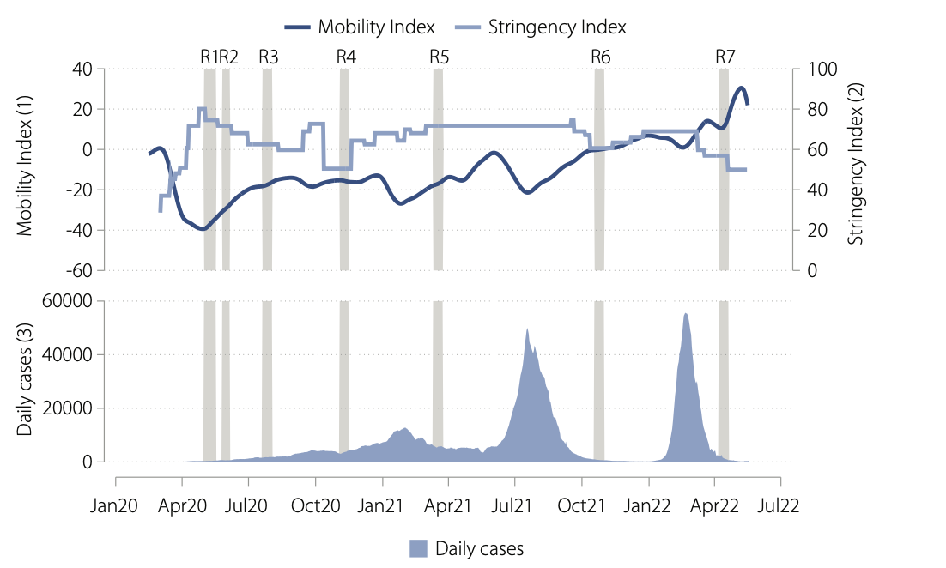

4.19
 | 2020 |  |  |  |  | 2021
 | Agriculture | Manufacturing | Other | Low-VA Services | High-VA Services | Agriculture | Manufacturing | Other | Low-VA Services | High-VA Services
Informal | 3598853 | 134957 | 563234 | 2166389 | -37023 | -1016824 | 207933 | 390500 | 486347 | -74803
Formal | 47687 | -1580143 | -1129663 | -1584022 | -241204 | -76871 | 1003681 | -19333 | 1481783 | 213926

4.20
 | Sector
he | Own account | Employer + temp. | Employer + perm. | Employee | Casual Ag | Causual Non-Ag | Unpaid family worker
2020 | 589684 | 1671201 | -312630 | -4933832 | 729189 | 468348 | 3727105
2021 | 1060135 | -805037 | 3022 | 2367207 | -114652 | 476889 | -391225

4.21
2020 |  | 2021
Women | Men | Women | Men
2904973 | 3521437 | -189268 | 182421
-954560 | -3532785 | 1277319 | 1325867

4.22
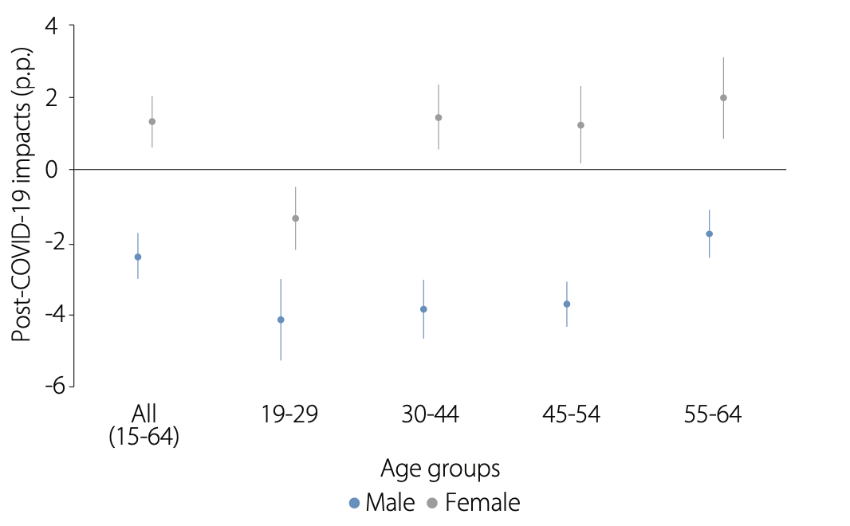

Note: Data are taken from Sakernas 2016–2020 (February and August rounds). Samples are restricted to the 15–64-year-old (working age) population. Each dot represents the coefficient of the COVID-19 dummy variable, which takes on the value of 1 if the Sakernas period is August 2020, and zero if otherwise. Vertical lines indicate 90% confidence intervals. Regressions are conducted separately for each combination of sex and age groups. Control variables in the all-sample regression includes age, squared age term, marital status, household size, education dummies, training experience dummy, and rural/urban status. Meanwhile, controls in each age group regression include all the previous controls except for age and squared age term. All specifications include year, province, and month fixed effects.

4.23
Sembako Card | Bottom 40% | 42
 | Middle 40% | 22
 | Top 20% | 2
PKH | Bottom 40% | 35
 | Middle 40% | 20
 | Top 20% | 5
Bansos Tunai | Bottom 40% | 27
 | Middle 40% | 31
 | Top 20% | 30

4.24
 | Last three months | Pre-pandemic
Not at all | 4.3 | 1.36
Partially | 55.7 | 44.28
Mostly | 14.7 | 21.61
Completely | 25.3 | 32.75

4.25
 | Urban |  | Rural
1
2
3 | 0.00414 | 0.006851 | 0.01018 | 0.026953
4 | 0.01036 |  | 0.00876
5 | 0.01326 |  | 0.00888
6 | 0.01312 |  | 0.0102
7 | 0.01334 |  | 0.0116
8 | 0.01422 |  | 0.01368
9 | 0.0135 |  | 0.01542
10 | 0.01362 |  | 0.01674
11 | 0.0131 |  | 0.01802
12 | 0.0129 |  | 0.01896
13 | 0.01198 |  | 0.0192
14 | 0.01148 |  | 0.01986
15 | 0.01072 |  | 0.02108
16 | 0.01062 |  | 0.02246
17 | 0.01076 |  | 0.02346
18 | 0.01164 |  | 0.0249
19 | 0.01198 |  | 0.02598
20 | 0.01252 |  | 0.02632
21 | 0.01314 |  | 0.02628
22 | 0.01296 |  | 0.02628
23 | 0.01248 |  | 0.0263
24 | 0.01216 |  | 0.02662
25 | 0.01186 |  | 0.02684
26 | 0.01124 |  | 0.02714
27 | 0.01124 |  | 0.02784
28 | 0.01104 |  | 0.02858
29 | 0.01066 |  | 0.0291
30 | 0.00994 |  | 0.02952
31 | 0.00928 |  | 0.02972
32 | 0.00876 |  | 0.0302
33 | 0.00804 |  | 0.03074
34 | 0.00716 |  | 0.03114
35 | 0.00676 |  | 0.03176
36 | 0.00648 |  | 0.0322
37 | 0.00608 |  | 0.0322
38 | 0.00592 |  | 0.03218
39 | 0.00618 |  | 0.03238
40 | 0.00584 |  | 0.03254
41 | 0.00554 |  | 0.03284
42 | 0.00522 |  | 0.03328
43 | 0.00512 |  | 0.03366
44 | 0.00504 |  | 0.03374
45 | 0.00484 |  | 0.034
46 | 0.00456 |  | 0.03414
47 | 0.00396 |  | 0.03422
48 | 0.0024 |  | 0.03438
49 | 0.00066 |  | 0.03466
50 | -0.00066 |  | 0.03452
...
 | 2020-2021 |  |  |  | 2021-2022
 | Urban |  | Rural |  | Urban
1
2
3 | 0.41% | 0.69% | 1.02% | 2.70% | 5.66%
4 | 1.04% |  | 0.88% |  | 5.52%
5 | 1.33% |  | 0.89% |  | 5.26%
6 | 1.31% |  | 1.02% |  | 5.14%
7 | 1.33% |  | 1.16% |  | 4.90%
8 | 1.42% |  | 1.37% |  | 4.61%
9 | 1.35% |  | 1.54% |  | 4.43%
10 | 1.36% |  | 1.67% |  | 4.36%
11 | 1.31% |  | 1.80% |  | 4.25%
12 | 1.29% |  | 1.90% |  | 4.14%
13 | 1.20% |  | 1.92% |  | 4.06%
14 | 1.15% |  | 1.99% |  | 3.94%
15 | 1.07% |  | 2.11% |  | 3.77%
16 | 1.06% |  | 2.25% |  | 3.61%
17 | 1.08% |  | 2.35% |  | 3.46%
18 | 1.16% |  | 2.49% |  | 3.26%
19 | 1.20% |  | 2.60% |  | 3.12%
20 | 1.25% |  | 2.63% |  | 3.04%
21 | 1.31% |  | 2.63% |  | 3.00%
22 | 1.30% |  | 2.63% |  | 3.04%
23 | 1.25% |  | 2.63% |  | 3.10%
24 | 1.22% |  | 2.66% |  | 3.12%
25 | 1.19% |  | 2.68% |  | 3.01%
26 | 1.12% |  | 2.71% |  | 2.85%
27 | 1.12% |  | 2.78% |  | 2.61%
28 | 1.10% |  | 2.86% |  | 2.37%
29 | 1.07% |  | 2.91% |  | 2.15%
30 | 0.99% |  | 2.95% |  | 2.04%
31 | 0.93% |  | 2.97% |  | 1.96%
32 | 0.88% |  | 3.02% |  | 1.91%
33 | 0.80% |  | 3.07% |  | 1.85%
34 | 0.72% |  | 3.11% |  | 1.83%
35 | 0.68% |  | 3.18% |  | 1.74%
36 | 0.65% |  | 3.22% |  | 1.58%
37 | 0.61% |  | 3.22% |  | 1.44%
38 | 0.59% |  | 3.22% |  | 1.29%
39 | 0.62% |  | 3.24% |  | 1.06%
40 | 0.58% |  | 3.25% |  | 0.87%
41 | 0.55% |  | 3.28% |  | 0.71%
42 | 0.52% |  | 3.33% |  | 0.58%
43 | 0.51% |  | 3.37% |  | 0.46%
44 | 0.50% |  | 3.37% |  | 0.34%
45 | 0.48% |  | 3.40% |  | 0.27%
46 | 0.46% |  | 3.41% |  | 0.19%
47 | 0.40% |  | 3.42% |  | 0.03%
48 | 0.24% |  | 3.44% |  | -0.15%
49 | 0.07% |  | 3.47% |  | -0.25%
50 | -0.07% |  | 3.45% |  | -0.35%
51 | -0.14% |  | 3.45% |  | -0.47%
52 | -0.22% |  | 3.45% |  | -0.60%
53 | -0.24% |  | 3.40% |  | -0.66%
54 | -0.24% |  | 3.37% |  | -0.74%
55 | -0.18% |  | 3.36% |  | -0.91%
56 | -0.21% |  | 3.34% |  | -1.09%
57 | -0.31% |  | 3.30% |  | -1.13%
58 | -0.38% |  | 3.26% |  | -1.21%
59 | -0.38% |  | 3.20% |  | -1.38%
60 | -0.51% |  | 3.11% |  | -1.51%
61 | -0.64% |  | 3.03% |  | -1.58%
62 | -0.72% |  | 2.95% |  | -1.64%
63 | -0.69% |  | 2.92% |  | -1.85%
64 | -0.74% |  | 2.88% |  | -2.08%
65 | -0.78% |  | 2.82% |  | -2.24%
66 | -0.81% |  | 2.75% |  | -2.33%
67 | -0.75% |  | 2.67% |  | -2.57%
68 | -0.86% |  | 2.56% |  | -2.81%
69 | -1.00% |  | 2.40% |  | -2.91%
70 | -1.14% |  | 2.25% |  | -2.96%
71 | -1.13% |  | 2.12% |  | -3.23%
72 | -1.15% |  | 1.98% |  | -3.51%
73 | -1.18% |  | 1.81% |  | -3.53%
74 | -1.21% |  | 1.68% |  | -3.53%
75 | -1.19% |  | 1.58% |  | -3.58%
76 | -1.31% |  | 1.48% |  | -3.47%
77 | -1.43% |  | 1.38% |  | -3.20%
78 | -1.45% |  | 1.33% |  | -3.03%
79 | -1.30% |  | 1.37% |  | -2.86%
80 | -1.07% |  | 1.48% |  | -2.62%
81 | -0.79% |  | 1.65% |  | -2.37%
82 | -0.43% |  | 1.93% |  | -2.13%
83 | -0.04% |  | 2.30% |  | -1.82%
84 | 0.33% |  | 2.68% |  | -1.51%
85 | 0.65% |  | 3.04% |  | -1.18%
86 | 1.03% |  | 3.39% |  | -0.87%
87 | 1.37% |  | 3.68% |  | -0.44%
88 | 1.68% |  | 3.89% |  | 0.03%
89 | 2.01% |  | 4.03% |  | 0.48%
90 | 2.49% |  | 4.15% |  | 0.94%
91 | 2.87% |  | 4.24% |  | 1.51%
92 | 3.19% |  | 4.29% |  | 2.04%
93 | 3.47% |  | 4.35% |  | 2.60%
94 | 3.71% |  | 4.45% |  | 3.27%
95 | 4.01% |  | 4.33% |  | 3.88%
96 | 4.34% |  | 4.07% |  | 4.48%
97 | 4.59% |  | 3.61% |  | 5.16%
98 | 4.68% | 0.69% | 2.70% | 2.70% | 5.52%
99
100

4.26
 | Rural | Urban |  | Rural | Urban
Change in poverty (HC) | -3.0082945539 | -1.5960816336 | Change in poverty (HC) | -3.0082945539 | -1.5960816336
Non-working | -0.18259810309 | -0.22676882179 | Non-working | -0.18259810309 | -0.22676882179
Agriculture | -2.1356738487 | -0.64103953657 | Agriculture | -2.1356738487 | -0.64103953657
Manufacturing | -0.1459579861 | -0.034550995324 | Manufacturing | -0.1459579861 | -0.034550995324
Low-VA Services | -0.25790972125 | -0.3975392892 | Low-VA Services | -0.25790972125 | -0.3975392892
High-VA Services | -0.049694752627 | -0.016965586173 | High-VA Services | -0.049694752627 | -0.016965586173
Other Industries | -0.16810067396 | -0.24000174458 | Other Industries | -0.16810067396 | -0.24000174458
Population-shift effect | -0.077303277206 | -0.041665164067 | Population-shift effect | -0.077303277206 | -0.041665164067
Interaction effect | 0.0089438089516 | 0.002449504119 | Interaction effect | 0.0089438089516 | 0.002449504119

 | Agriculture | Manufacturing | Low-VA Services | High-VA Services | Other Industries | Population-shift effect
Rural | -2.1356738487 | -0.1459579861 | -0.25790972125 | -0.049694752627 | -0.16810067396 | -0.077303277206
Urban | -0.64103953657 | -0.034550995324 | -0.3975392892 | -0.016965586173 | -0.24000174458 | -0.041665164067

4.27
 | B40 | T20
Jun-20 | 72.74 | 55.07
Nov-20 | 53 | 43.26
Oct-21 | 41.66 | 28.63
Jun-20 | 82.4 | 59.92
Nov-20 | 71.45 | 53.37
Oct-21 | 63.03 | 45.55
Jun-20 | 49.36 | 34.48
Nov-20 | 47.15 | 28.69
Oct-21 | 49.62 | 25.82
 |  | B40 | T20
Scarring | Jun-20 | 72.74 | 55.07
 | Nov-20 | 53 | 43.26
 | Oct-21 | 41.66 | 28.63

Short-term fixes | Jun-20 | 82.4 | 59.92
 | Nov-20 | 71.45 | 53.37
 | Oct-21 | 63.03 | 45.55

Social capital | Jun-20 | 49.36 | 34.48
 | Nov-20 | 47.15 | 28.69
 | Oct-21 | 49.62 | 25.82

4.28
 | Nov-20 | Apr-22
Primary | 29.93 | 88.22
Jr Secondary | 28.83 | 86.97
Sr Secondary | 37.64 | 72.25

DKI Jakarta | 10.27 | 81.32
Java (Non-DKI) | 35.02 | 90.26
Off-Java | 29.54 | 77.57

Rural | 37.4 | 86.58
Urban | 27.33 | 82.37

Bottom 40 | 33.82 | 82.58
Middle 40 | 22.29 | 90.25
Top 20 | 22.33 | 90.37
 | Nov-20 | Apr-22
Primary | 29.93 | 88.22
Jr Secondary | 28.83 | 86.97
Sr Secondary | 37.64 | 72.25
DKI Jakarta | 10.27 | 81.32
Java (Non-DKI) | 35.02 | 90.26
Off-Java | 29.54 | 77.57
Rural | 37.4 | 86.58
Urban | 27.33 | 82.37
Bottom 40 | 33.82 | 82.58
Middle 40 | 22.29 | 90.25
Top 20 | 22.33 | 90.37

4.29
 | 2020-11-01 | Aprill-2022
Primary | 35.39 | 41.73
Jr Secondary | 38.51 | 64.06
Sr Secondary | 55.65 | 53.73

DKI Jakarta | 72.97 | 89.35
Java (Non-DKI) | 40.62 | 57.66
Off-Java | 38.33 | 38.43

Rural | 36.23 | 38.45
Urban | 44.05 | 57.81

Bottom 40 | 37.53 | 49.66
Middle 40 | 50.95 | 59.44
Top 20 | 65.59 | 67.76

Primary | 35.39
Jr Secondary | 38.51
Sr Secondary | 55.65
DKI Jakarta | 72.97
Java (Non-DKI) | 40.62
Off-Java | 38.33
Rural | 36.23
Urban | 44.05
Bottom 40 | 37.53
Middle 40 | 50.95
Top 20 | 65.59

