Graphs
Human Capital Index (2020) and Components: Graphs
Database: | HCI September 2020 Vintage
Country: | Lebanon

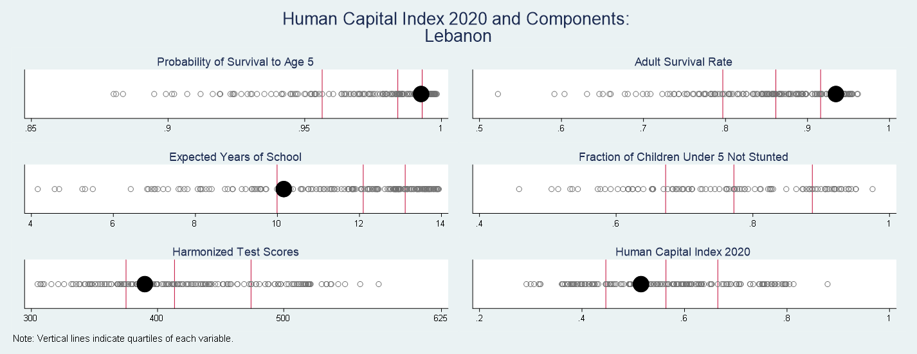

Human Capital Index and Components: Distribution between Countries
Note: The graphs above shows the distribution of the 5 components of the Human Capital Index as well as the distribution of the overall Human Capital Index 2020 based on the latest data available. The red vertical lines indicate the quartiles of each variable. The black marker shows where the country is located in the distribution of the data for all countries, as indicated by the grey circles.

Human Capital Index and Components plotted against GDP Per Capita

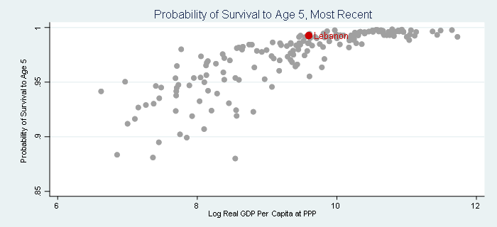
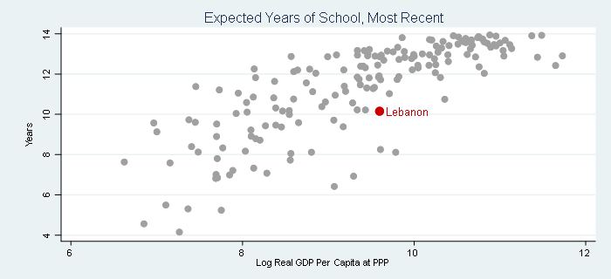

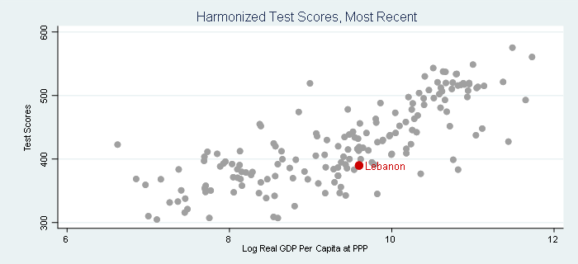
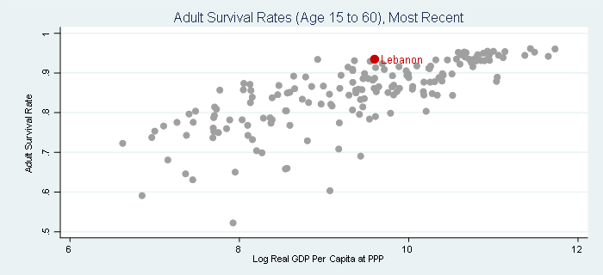

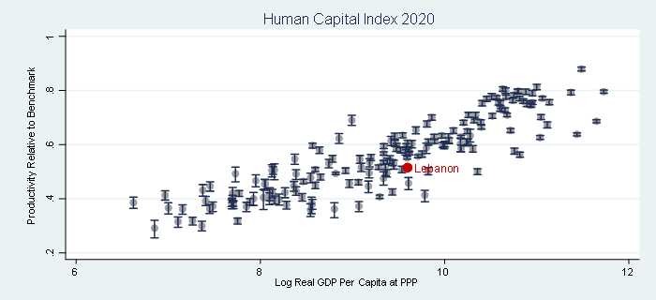

Human Capital Index and Components plotted against GDP
Note: The graphs above plot the Human Capital Index (2020) and its components (on the vertical axis) against the logarithm of real GDP per capita (on the horizontal axis). Real GDP per capita adjusted for differences in purchasing power parity is taken from the Penn World Tables (Feenstra et. al. (2015)), with missing countries filled using data from World Bank estimates of GDP at PPP. The graphs show cross-sections of the most recently-available data. The graph for the overall HCI reports uncertainty intervals as vertical lines around the estimated HCI for each country.

Human Capital Index and Components: 2020 plotted against 2010

Human Capital Index and Components: 2020 plotted against 2010
Note: The graphs above plot the Human Capital Index 2020 and its components (on the vertical axis) against the Human Capital Index 2010 and its components (on the horizontal axis). The dashed line indicates the 45-degree line. Points above (below) this line correspond to an increase (decrease) in the 2020 value over the 2010 value.

Graphs_HCCI
Human Capital Complementary Indicators (HCCI): Graphs

